Table 1

Selected Acquisition Report (SAR)
RCS: DD-A&T(Q&A)823-205

Integrated Air and Missile Defense (IAMD)
As of FY 2017 President's Budget
Defense Acquisition Management Information Retrieval
(DAMIR)

Table 9
Schedule
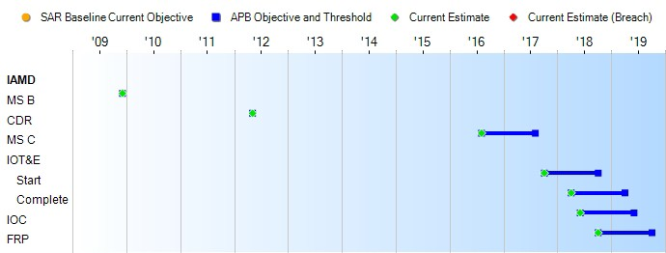
None
Schedule Events
Events | SAR Baseline Development Estimate | Current APB Development Objective/Threshold |  | Current Estimate
MS B | Dec 2009 | Dec 2009 | Dec 2009 | Dec 2009
CDR | Aug 2011 | May 2012 | May 2012 | May 2012
MS C | Dec 2014 | Aug 2016 | Aug 2017 | Aug 2016
IOT&E
Start | Jan 2016 | Oct 2017 | Oct 2018 | Oct 2017
Complete | Jul 2016 | Apr 2018 | Apr 2019 | Apr 2018
IOC | Aug 2016 | Jun 2018 | Jun 2019 | Jun 2018
FRP | May 2017 | Oct 2018 | Oct 2019 | Oct 2018
Change Explanations
Acronyms and Abbreviations
CDR - Critical Design Review
IOT&E - Initial Operational Test and Evaluation MS - Milestone

Table 27
Unit Cost History
Item |  |  |  |  | Date |  |  | BY 2009 $M |  |  |  |  | TY $M
 |  |  |  |  |  |  |  | PAUC |  | APUC |  |  | PAUC |  |  | APUC

Original APB |  |  | Jun 2010 |  |  |  |  | 16.239 |  |  | 11.635 |  |  | 19.382 |  |  | 14.611
APB as of January 2006 |  |  | N/A |  |  |  |  | N/A |  |  | N/A |  |  | N/A |  |  | N/A
Revised Original APB |  |  | N/A |  |  |  |  | N/A |  |  | N/A |  |  | N/A |  |  | N/A
Prior APB |  |  | Nov 2012 |  |  |  |  | 12.023 |  |  | 7.366 |  |  | 14.187 |  |  | 9.140
Current APB |  |  | Oct 2014 |  |  |  |  | 12.023 |  |  | 7.366 |  |  | 14.187 |  |  | 9.140
Prior Annual SAR |  |  | Dec 2014 |  |  |  |  | 12.947 |  |  | 7.948 |  |  | 15.783 |  |  | 10.305
Current Estimate |  |  | Dec 2015 |  |  |  |  | 13.067 |  |  | 7.971 |  |  | 15.829 |  |  | 10.256
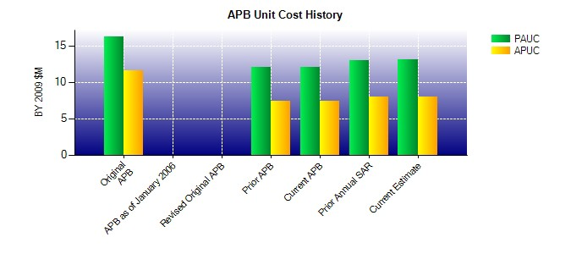
SAR Unit Cost History
Current SAR Baseline to Current Estimate (TY $M)
Initial PAUC Development Estimate | Changes |  |  |  |  |  |  |  |  |  |  |  |  |  | PAUC Current Estimate
 | Econ | Qty |  | Sch |  | Eng | Est |  | Oth | Spt |  | Total
19.566 0.184 -1.980 -0.122 0.385 -0.040 0.000 -2.164 -3.737 15.829
Current SAR Baseline to Current Estimate (TY $M)
Initial APUC Development Estimate | Changes |  |  |  |  |  |  |  |  |  |  |  |  |  | APUC Current Estimate
 | Econ | Qty |  | Sch |  | Eng | Est |  | Oth | Spt |  | Total
14.611 0.187 -0.152 -0.127 0.000 -2.018 0.000 -2.245 -4.355 10.256

